QA Breakdown
Your QA Breakdown | Please add your project's QA breakdown below |  |  |  |  | DEMO | This is an example of a project breakdown |  |  | HELP & GUIDE
First Tier | Second Tier | Third Tier | Fourth Tier | ... | Checklist | First Tier | Second Tier | Third Tier | Checklist
Lightning Protection and Earthing | Grid 104 | XX | Photos |  |  | First Fix | Level 1 | Apartment 101 | First Fix Checklist | Start identifying how you want to breakdown the project's QA. By level? By Areas of work?
 |  |  | Earth Pit |  |  |  |  | Apartment 102 | First Fix Checklist
 |  | WW | Photos |  |  |  |  | Apartment 103 | First Fix Checklist
 |  |  | Earth Pit
 |  | VV | Photos
 |  |  | Earth Pit |  |  |  | Level2 | Apartment 104 | First Fix Checklist | Tiers | You can see tiers as "folders" or "locations". You can have as many tiers you want. Each tier represents a separate screen on the site app
 |  | UUB | Photos |  |  |  |  | Apartment 105 | First Fix Checklist
 |  |  | Earth Pit |  |  |  |  | Apartment 201 | First Fix Checklist

 | Grid 104/105 | XX | Photos |  |  |  |  | Apartment 202 | First Fix Checklist
 |  |  | Earth Pit |  |  |  |  | Apartment 203 | First Fix Checklist
 |  |  |  |  |  |  |  | Apartment 204 | First Fix Checklist | Checklists | This is where you tell us which checklist you want to have on the respective location. Checklist content is defined on the following tab
 | Grid 105/106 | XX | Photos |  |  |  |  | Apartment 205 | First Fix Checklist
 |  |  | Wricon Terminal Plates |  |  | Testing | Level 1 | Apartment 101 | Testing Checklist
 |  | WW | Photos |  |  |  |  | Apartment 102 | Testing Checklist
 |  |  | Wricon Terminal Plates |  |  |  |  | Apartment 103 | Testing Checklist
 |  | VV | Photos |  |  |  |  | Apartment 104 | Testing Checklist
 |  |  | Wricon Terminal Plates |  |  |  |  | Apartment 105 | Testing Checklist
 |  | UUB | Photos |  |  |  | Level 2 | Apartment 201 | Testing Checklist
 |  |  | Wricon Terminal Plates |  |  |  |  | Apartment 202 | Testing Checklist | Demo Example
 |  |  |  |  |  |  |  | Apartment 203 | Testing Checklist
 | Test Sheets (Lightning Protection) |  |  |  |  |  |  | Apartment 204 | Testing Checklist
 |  |  |  |  |  |  |  | Apartment 205 | Testing Checklist
Generator Cable Upgrade | Cable Installation | Photos |  |  |  | Second Fix | Level 1 | Apartment 101 | Second Fix Checklist
 |  |  |  |  |  |  |  | Apartment 102 | Second Fix Checklist
 | Cable Termination | Photos |  |  |  |  |  | Apartment 103 | Second Fix Checklist
 |  | Test Sheets (Generator) |  |  |  |  |  | Apartment 104 | Second Fix Checklist
 |  |  |  |  |  |  |  | Apartment 105 | Second Fix Checklist
JBA Hall | Podiums | Cable support | Photos |  | Cable support QA |  | Level 2 | Apartment 201 | Second Fix Checklist
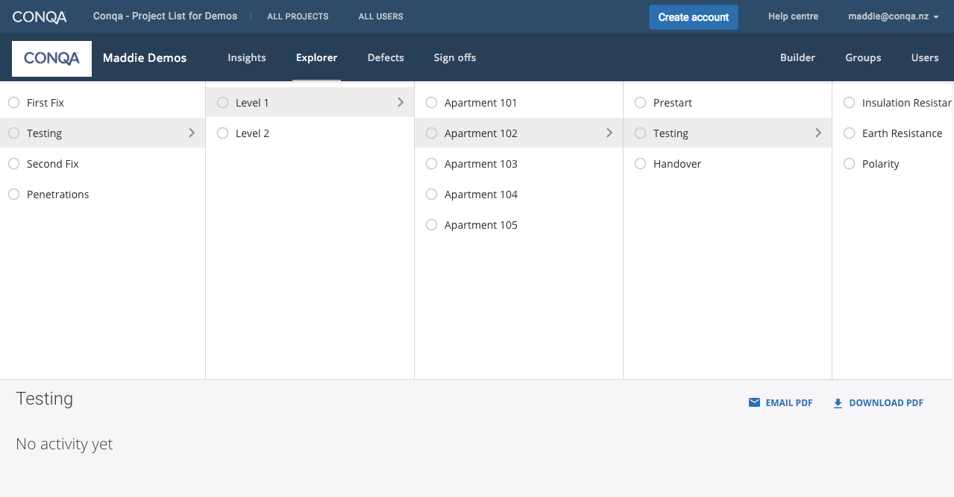
 |  |  |  |  |  |  |  | Apartment 202 | Second Fix Checklist
 |  | First Fix | Photos |  | First fix QA |  |  | Apartment 203 | Second Fix Checklist
 |  |  |  |  |  |  |  | Apartment 204 | Second Fix Checklist
 |  | Second Fix | Photos |  | Second fix QA |  |  | Apartment 205 | Second Fix Checklist
 |  |  |  |  |  | Penetrations | Level 1 | Apartment 101 | Add Penetration as required
 |  |  |  |  |  |  |  | Apartment 102 | Add Penetration as required
 | Xray area | Cable support | Photos |  | Cable support QA |  |  | Apartment 103 | Add Penetration as required
 |  |  |  |  |  |  |  | Apartment 104 | Add Penetration as required
 |  | First Fix | Photos |  | First fix QA |  |  | Apartment 105 | Add Penetration as required
 |  |  |  |  |  |  | Level 2 | Apartment 201 | Add Penetration as required
 |  | Second Fix | Photos |  | Second fix QA |  |  | Apartment 202 | Add Penetration as required
 |  |  |  |  |  |  |  | Apartment 203 | Add Penetration as required
 |  |  |  |  |  |  |  | Apartment 204 | Add Penetration as required
 | Offices | Cable support | Photos |  | Cable support QA |  |  | Apartment 205 | Add Penetration as required

 |  | First Fix | Photos |  | First fix QA

 |  | Second Fix | Photos |  | Second fix QA

Truck Dock | Canopy | Cable support | Photos |  | Cable support QA

 |  | First Fix | Photos |  | First fix QA

 |  | Second Fix | Photos |  | Second fix QA

 | Waste and Recycling | Cable support | Photos |  | Cable support QA

 |  | First Fix | Photos |  | First fix QA

 |  | Second Fix | Photos |  | Second fix QA

Lifts | Lift 1 | Cable support | Photos |  | Cable support QA

 |  | First Fix | Photos |  | First fix QA

 |  | Second Fix | Photos |  | Second fix QA

 | Lift 2 | Cable support | Photos |  | Cable support QA

 |  | First Fix | Photos |  | First fix QA

 |  | Second Fix | Photos |  | Second fix QA

Ground Mezzanine | GM Offices | Cable support | Photos |  | Cable support QA

 |  | First Fix | Photos |  | First fix QA

 |  | Second Fix | Photos |  | Second fix QA

 | Plant rooms | Cable support | Photos |  | Cable support QA

 |  | First Fix | Photos |  | First fix QA

 |  | Second Fix | Photos |  | Second fix QA

 | Store Rooms | Cable support | Photos |  | Cable support QA

 |  | First Fix | Photos |  | First fix QA

 |  | Second Fix | Photos |  | Second fix QA

 | Retail Scullery | Cable support | Photos |  | Cable support QA

 |  | First Fix | Photos |  | First fix QA

 |  | Second Fix | Photos |  | Second fix QA

 | Service Spine | Cable support | Photos |  | Cable support QA

Level 1 | Immigration | Cable support | Photos |  | Cable support QA

 |  | First Fix | Photos |  | First fix QA

 |  | Second Fix | Photos |  | Second fix QA

 | Goods Screening | Cable support | Photos |  | Cable support QA

 |  | First Fix | Photos |  | First fix QA

 |  | Second Fix | Photos |  | Second fix QA

 | Circulation | Cable support | Photos |  | Cable support QA

 |  | First Fix | Photos |  | First fix QA

 |  | Second Fix | Photos |  | Second fix QA

Roof | Pop up | Cable support | Photos |  | Cable support QA

 |  | First Fix | Photos |  | First fix QA

 |  | Second Fix | Photos |  | Second fix QA

 | Walkways | Cable support | Photos |  | Cable support QA

 |  | First Fix | Photos |  | First fix QA

 |  | Second Fix | Photos |  | Second fix QA

Sub Boards | PCWEST-A1-SB-0M-01 | Photos |  |  | Switchboad Preliven QA
 |  |  |  |  | Switchboard Live QA

 | PCWEST-B1-SB-0M-01 | Photos |  |  | Switchboad Preliven QA
 |  |  |  |  | Switchboard Live QA

Distribution Boards | PCWEST-A1-DB-1F-01 | Photos |  |  | Switchboad Preliven QA
 |  |  |  |  | Switchboard Live QA

 | PCWEST-B1-DB-1F-03 | Photos |  |  | Switchboad Preliven QA
 |  |  |  |  | Switchboard Live QA

 | PCWEST-B1-DB-1F-04 | Photos |  |  | Switchboad Preliven QA
 |  |  |  |  | Switchboard Live QA

 | PCWEST-A1-DB-0M-02 | Photos |  |  | Switchboad Preliven QA
 |  |  |  |  | Switchboard Live QA

 | PCWEST-A1-DB-0F-01 | Photos |  |  | Switchboad Preliven QA
 |  |  |  |  | Switchboard Live QA

 | PCWEST-A1-DB-0F-02 | Photos |  |  | Switchboad Preliven QA
 |  |  |  |  | Switchboard Live QA

 | PCWEST-A1-DB-0M-01 | Photos |  |  | Switchboad Preliven QA
 |  |  |  |  | Switchboard Live QA

 | PCWEST-B1-DB-0F-01 | Photos |  |  | Switchboad Preliven QA
 |  |  |  |  | Switchboard Live QA

 | PCWEST-B1-DB-0F-02 | Photos |  |  | Switchboad Preliven QA
 |  |  |  |  | Switchboard Live QA

 | PCWEST-B1-DB-0F-03 | Photos |  |  | Switchboad Preliven QA
 |  |  |  |  | Switchboard Live QA

 | PCWEST-B1-DB-0M-01 | Photos |  |  | Switchboad Preliven QA
 |  |  |  |  | Switchboard Live QA

 | PCWEST-B1-DB-0M-02 | Photos |  |  | Switchboad Preliven QA
 |  |  |  |  | Switchboard Live QA

 | PCWEST-A1-UPSDB-0M-01 | Photos |  |  | Switchboad Preliven QA
 |  |  |  |  | Switchboard Live QA

Inspection and Test Plan | PCWEST-A1-SB-0M-01 | 1 | 1.1 Descritpion of works
 |  |  | 1.2 Tech Subs
 |  |  | 1.3 Shop Drawings
 |  |  | 1.4 Procurement

 |  | 2 | 2.1 Submains cable testing post livening
 |  |  | 2.2 Submians cable testing pre livening
 |  |  | 2.3 Preline inspection

 |  | 3 | 3.1 Distribution board procurement
 |  |  | 3.2 Distribution board pre livening

 |  | 4 | 4.1 Terminals in DB Securely fastened

 |  | 5 | 5.1 Equipotential bonding check sheet

 |  | 6 | 6.1 Continuity of Earthing system

 |  | 7 | 7.1 Insulation resistance, Fault loop impediance, phase rotation

 |  | 8 | 8.1 Phase load testing and rebalancing of loads
 |  |  | 8.2 Power metering
 |  |  | 8.3 Ripple relay test

 |  | 9 | 9.1 Lighting control check sheets

 |  | 10 | 10.1 Emergency lighting duration testing

 |  | 11 | 11.1 Emergency lighting lux level measurement

 |  | 12 | 12.1 Exit and emergency PS3

 |  | 13 | 13.1 Emergency lighting IQP

 |  | 14 | 14.1 Electrical ESC and COC

 |  | 15 | 15.1 Seismic producer statement

 |  | 16 | 16.1 As-Builts

 |  | 17 | 17.1 O&M Manual

 | PCWEST-B1-SB-0M-01 | 1 | 1.1 Descritpion of works
 |  |  | 1.2 Tech Subs
 |  |  | 1.3 Shop Drawings
 |  |  | 1.4 Procurement

 |  | 2 | 2.1 Submains cable testing post livening
 |  |  | 2.2 Submians cable testing pre livening
 |  |  | 2.3 Preline inspection

 |  | 3 | 3.1 Distribution board procurement
 |  |  | 3.2 Distribution board pre livening

 |  | 4 | 4.1 Terminals in DB Securely fastened

 |  | 5 | 5.1 Equipotential bonding check sheet

 |  | 6 | 6.1 Continuity of Earthing system

 |  | 7 | 7.1 Insulation resistance, Fault loop impediance, phase rotation

 |  | 8 | 8.1 Phase load testing and rebalancing of loads
 |  |  | 8.2 Power metering
 |  |  | 8.3 Ripple relay test

 |  | 9 | 9.1 Lighting control check sheets

 |  | 10 | 10.1 Emergency lighting duration testing

 |  | 11 | 11.1 Emergency lighting lux level measurement

 |  | 12 | 12.1 Exit and emergency PS3

 |  | 13 | 13.1 Emergency lighting IQP

 |  | 14 | 14.1 Electrical ESC and COC

 |  | 15 | 15.1 Seismic producer statement

 |  | 16 | 16.1 As-Builts

 |  | 17 | 17.1 O&M Manual

 | PCWEST-A1-DB-1F-01 | 1 | 1.1 Descritpion of works
 |  |  | 1.2 Tech Subs
 |  |  | 1.3 Shop Drawings
 |  |  | 1.4 Procurement

 |  | 2 | 2.1 Submains cable testing post livening
 |  |  | 2.2 Submians cable testing pre livening
 |  |  | 2.3 Preline inspection

 |  | 3 | 3.1 Distribution board procurement
 |  |  | 3.2 Distribution board pre livening

 |  | 4 | 4.1 Terminals in DB Securely fastened

 |  | 5 | 5.1 Equipotential bonding check sheet

 |  | 6 | 6.1 Continuity of Earthing system

 |  | 7 | 7.1 Insulation resistance, Fault loop impediance, phase rotation

 |  | 8 | 8.1 Phase load testing and rebalancing of loads
 |  |  | 8.2 Power metering
 |  |  | 8.3 Ripple relay test

 |  | 9 | 9.1 Lighting control check sheets

 |  | 10 | 10.1 Emergency lighting duration testing

 |  | 11 | 11.1 Emergency lighting lux level measurement

 |  | 12 | 12.1 Exit and emergency PS3

 |  | 13 | 13.1 Emergency lighting IQP

 |  | 14 | 14.1 Electrical ESC and COC

 |  | 15 | 15.1 Seismic producer statement

 |  | 16 | 16.1 As-Builts

 |  | 17 | 17.1 O&M Manual

 | PCWEST-B1-DB-1F-03 | 1 | 1.1 Descritpion of works
 |  |  | 1.2 Tech Subs
 |  |  | 1.3 Shop Drawings
 |  |  | 1.4 Procurement

 |  | 2 | 2.1 Submains cable testing post livening
 |  |  | 2.2 Submians cable testing pre livening
 |  |  | 2.3 Preline inspection

 |  | 3 | 3.1 Distribution board procurement
 |  |  | 3.2 Distribution board pre livening

 |  | 4 | 4.1 Terminals in DB Securely fastened

 |  | 5 | 5.1 Equipotential bonding check sheet

 |  | 6 | 6.1 Continuity of Earthing system

 |  | 7 | 7.1 Insulation resistance, Fault loop impediance, phase rotation

 |  | 8 | 8.1 Phase load testing and rebalancing of loads
 |  |  | 8.2 Power metering
 |  |  | 8.3 Ripple relay test

 |  | 9 | 9.1 Lighting control check sheets

 |  | 10 | 10.1 Emergency lighting duration testing

 |  | 11 | 11.1 Emergency lighting lux level measurement

 |  | 12 | 12.1 Exit and emergency PS3

 |  | 13 | 13.1 Emergency lighting IQP

 |  | 14 | 14.1 Electrical ESC and COC

 |  | 15 | 15.1 Seismic producer statement

 |  | 16 | 16.1 As-Builts

 |  | 17 | 17.1 O&M Manual

 | PCWEST-B1-DB-1F-04 | 1 | 1.1 Descritpion of works
 |  |  | 1.2 Tech Subs
 |  |  | 1.3 Shop Drawings
 |  |  | 1.4 Procurement

 |  | 2 | 2.1 Submains cable testing post livening
 |  |  | 2.2 Submians cable testing pre livening
 |  |  | 2.3 Preline inspection

 |  | 3 | 3.1 Distribution board procurement
 |  |  | 3.2 Distribution board pre livening

 |  | 4 | 4.1 Terminals in DB Securely fastened

 |  | 5 | 5.1 Equipotential bonding check sheet

 |  | 6 | 6.1 Continuity of Earthing system

 |  | 7 | 7.1 Insulation resistance, Fault loop impediance, phase rotation

 |  | 8 | 8.1 Phase load testing and rebalancing of loads
 |  |  | 8.2 Power metering
 |  |  | 8.3 Ripple relay test

 |  | 9 | 9.1 Lighting control check sheets

 |  | 10 | 10.1 Emergency lighting duration testing

 |  | 11 | 11.1 Emergency lighting lux level measurement

 |  | 12 | 12.1 Exit and emergency PS3

 |  | 13 | 13.1 Emergency lighting IQP

 |  | 14 | 14.1 Electrical ESC and COC

 |  | 15 | 15.1 Seismic producer statement

 |  | 16 | 16.1 As-Builts

 |  | 17 | 17.1 O&M Manual

 | PCWEST-A1-DB-0M-02 | 1 | 1.1 Descritpion of works
 |  |  | 1.2 Tech Subs
 |  |  | 1.3 Shop Drawings
 |  |  | 1.4 Procurement

 |  | 2 | 2.1 Submains cable testing post livening
 |  |  | 2.2 Submians cable testing pre livening
 |  |  | 2.3 Preline inspection

 |  | 3 | 3.1 Distribution board procurement
 |  |  | 3.2 Distribution board pre livening

 |  | 4 | 4.1 Terminals in DB Securely fastened

 |  | 5 | 5.1 Equipotential bonding check sheet

 |  | 6 | 6.1 Continuity of Earthing system

 |  | 7 | 7.1 Insulation resistance, Fault loop impediance, phase rotation

 |  | 8 | 8.1 Phase load testing and rebalancing of loads
 |  |  | 8.2 Power metering
 |  |  | 8.3 Ripple relay test

 |  | 9 | 9.1 Lighting control check sheets

 |  | 10 | 10.1 Emergency lighting duration testing

 |  | 11 | 11.1 Emergency lighting lux level measurement

 |  | 12 | 12.1 Exit and emergency PS3

 |  | 13 | 13.1 Emergency lighting IQP

 |  | 14 | 14.1 Electrical ESC and COC

 |  | 15 | 15.1 Seismic producer statement

 |  | 16 | 16.1 As-Builts

 |  | 17 | 17.1 O&M Manual

 | PCWEST-B1-DB-0F-04 | 1 | 1.1 Descritpion of works
 |  |  | 1.2 Tech Subs
 |  |  | 1.3 Shop Drawings
 |  |  | 1.4 Procurement

 |  | 2 | 2.1 Submains cable testing post livening
 |  |  | 2.2 Submians cable testing pre livening
 |  |  | 2.3 Preline inspection

 |  | 3 | 3.1 Distribution board procurement
 |  |  | 3.2 Distribution board pre livening

 |  | 4 | 4.1 Terminals in DB Securely fastened

 |  | 5 | 5.1 Equipotential bonding check sheet

 |  | 6 | 6.1 Continuity of Earthing system

 |  | 7 | 7.1 Insulation resistance, Fault loop impediance, phase rotation

 |  | 8 | 8.1 Phase load testing and rebalancing of loads
 |  |  | 8.2 Power metering
 |  |  | 8.3 Ripple relay test

 |  | 9 | 9.1 Lighting control check sheets

 |  | 10 | 10.1 Emergency lighting duration testing

 |  | 11 | 11.1 Emergency lighting lux level measurement

 |  | 12 | 12.1 Exit and emergency PS3

 |  | 13 | 13.1 Emergency lighting IQP

 |  | 14 | 14.1 Electrical ESC and COC

 |  | 15 | 15.1 Seismic producer statement

 |  | 16 | 16.1 As-Builts

 |  | 17 | 17.1 O&M Manual

 | PCWEST-A1-DB-0F-02 | 1 | 1.1 Descritpion of works
 |  |  | 1.2 Tech Subs
 |  |  | 1.3 Shop Drawings
 |  |  | 1.4 Procurement

 |  | 2 | 2.1 Submains cable testing post livening
 |  |  | 2.2 Submians cable testing pre livening
 |  |  | 2.3 Preline inspection

 |  | 3 | 3.1 Distribution board procurement
 |  |  | 3.2 Distribution board pre livening

 |  | 4 | 4.1 Terminals in DB Securely fastened

 |  | 5 | 5.1 Equipotential bonding check sheet

 |  | 6 | 6.1 Continuity of Earthing system

 |  | 7 | 7.1 Insulation resistance, Fault loop impediance, phase rotation

 |  | 8 | 8.1 Phase load testing and rebalancing of loads
 |  |  | 8.2 Power metering
 |  |  | 8.3 Ripple relay test

 |  | 9 | 9.1 Lighting control check sheets

 |  | 10 | 10.1 Emergency lighting duration testing

 |  | 11 | 11.1 Emergency lighting lux level measurement

 |  | 12 | 12.1 Exit and emergency PS3

 |  | 13 | 13.1 Emergency lighting IQP

 |  | 14 | 14.1 Electrical ESC and COC

 |  | 15 | 15.1 Seismic producer statement

 |  | 16 | 16.1 As-Builts

 |  | 17 | 17.1 O&M Manual

 | PCWEST-A1-DB-0M-01 | 1 | 1.1 Descritpion of works
 |  |  | 1.2 Tech Subs
 |  |  | 1.3 Shop Drawings
 |  |  | 1.4 Procurement

 |  | 2 | 2.1 Submains cable testing post livening
 |  |  | 2.2 Submians cable testing pre livening
 |  |  | 2.3 Preline inspection

 |  | 3 | 3.1 Distribution board procurement
 |  |  | 3.2 Distribution board pre livening

 |  | 4 | 4.1 Terminals in DB Securely fastened

 |  | 5 | 5.1 Equipotential bonding check sheet

 |  | 6 | 6.1 Continuity of Earthing system

 |  | 7 | 7.1 Insulation resistance, Fault loop impediance, phase rotation

 |  | 8 | 8.1 Phase load testing and rebalancing of loads
 |  |  | 8.2 Power metering
 |  |  | 8.3 Ripple relay test

 |  | 9 | 9.1 Lighting control check sheets

 |  | 10 | 10.1 Emergency lighting duration testing

 |  | 11 | 11.1 Emergency lighting lux level measurement

 |  | 12 | 12.1 Exit and emergency PS3

 |  | 13 | 13.1 Emergency lighting IQP

 |  | 14 | 14.1 Electrical ESC and COC

 |  | 15 | 15.1 Seismic producer statement

 |  | 16 | 16.1 As-Builts

 |  | 17 | 17.1 O&M Manual

 | PCWEST-B1-DB-0F-01 | 1 | 1.1 Descritpion of works
 |  |  | 1.2 Tech Subs
 |  |  | 1.3 Shop Drawings
 |  |  | 1.4 Procurement

 |  | 2 | 2.1 Submains cable testing post livening
 |  |  | 2.2 Submians cable testing pre livening
 |  |  | 2.3 Preline inspection

 |  | 3 | 3.1 Distribution board procurement
 |  |  | 3.2 Distribution board pre livening

 |  | 4 | 4.1 Terminals in DB Securely fastened

 |  | 5 | 5.1 Equipotential bonding check sheet

 |  | 6 | 6.1 Continuity of Earthing system

 |  | 7 | 7.1 Insulation resistance, Fault loop impediance, phase rotation

 |  | 8 | 8.1 Phase load testing and rebalancing of loads
 |  |  | 8.2 Power metering
 |  |  | 8.3 Ripple relay test

 |  | 9 | 9.1 Lighting control check sheets

 |  | 10 | 10.1 Emergency lighting duration testing

 |  | 11 | 11.1 Emergency lighting lux level measurement

 |  | 12 | 12.1 Exit and emergency PS3

 |  | 13 | 13.1 Emergency lighting IQP

 |  | 14 | 14.1 Electrical ESC and COC

 |  | 15 | 15.1 Seismic producer statement

 |  | 16 | 16.1 As-Builts

 |  | 17 | 17.1 O&M Manual

 | PCWEST-B1-DB-0F-02 | 1 | 1.1 Descritpion of works
 |  |  | 1.2 Tech Subs
 |  |  | 1.3 Shop Drawings
 |  |  | 1.4 Procurement

 |  | 2 | 2.1 Submains cable testing post livening
 |  |  | 2.2 Submians cable testing pre livening
 |  |  | 2.3 Preline inspection

 |  | 3 | 3.1 Distribution board procurement
 |  |  | 3.2 Distribution board pre livening

 |  | 4 | 4.1 Terminals in DB Securely fastened

 |  | 5 | 5.1 Equipotential bonding check sheet

 |  | 6 | 6.1 Continuity of Earthing system

 |  | 7 | 7.1 Insulation resistance, Fault loop impediance, phase rotation

 |  | 8 | 8.1 Phase load testing and rebalancing of loads
 |  |  | 8.2 Power metering
 |  |  | 8.3 Ripple relay test

 |  | 9 | 9.1 Lighting control check sheets

 |  | 10 | 10.1 Emergency lighting duration testing

 |  | 11 | 11.1 Emergency lighting lux level measurement

 |  | 12 | 12.1 Exit and emergency PS3

 |  | 13 | 13.1 Emergency lighting IQP

 |  | 14 | 14.1 Electrical ESC and COC

 |  | 15 | 15.1 Seismic producer statement

 |  | 16 | 16.1 As-Builts

 |  | 17 | 17.1 O&M Manual

 | PCWEST-B1-DB-0F-03 | 1 | 1.1 Descritpion of works
 |  |  | 1.2 Tech Subs
 |  |  | 1.3 Shop Drawings
 |  |  | 1.4 Procurement

 |  | 2 | 2.1 Submains cable testing post livening
 |  |  | 2.2 Submians cable testing pre livening
 |  |  | 2.3 Preline inspection

 |  | 3 | 3.1 Distribution board procurement
 |  |  | 3.2 Distribution board pre livening

 |  | 4 | 4.1 Terminals in DB Securely fastened

 |  | 5 | 5.1 Equipotential bonding check sheet

 |  | 6 | 6.1 Continuity of Earthing system

 |  | 7 | 7.1 Insulation resistance, Fault loop impediance, phase rotation

 |  | 8 | 8.1 Phase load testing and rebalancing of loads
 |  |  | 8.2 Power metering
 |  |  | 8.3 Ripple relay test

 |  | 9 | 9.1 Lighting control check sheets

 |  | 10 | 10.1 Emergency lighting duration testing

 |  | 11 | 11.1 Emergency lighting lux level measurement

 |  | 12 | 12.1 Exit and emergency PS3

 |  | 13 | 13.1 Emergency lighting IQP

 |  | 14 | 14.1 Electrical ESC and COC

 |  | 15 | 15.1 Seismic producer statement

 |  | 16 | 16.1 As-Builts

 |  | 17 | 17.1 O&M Manual

 | PCWEST-B1-DB-0M-01 | 1 | 1.1 Descritpion of works
 |  |  | 1.2 Tech Subs
 |  |  | 1.3 Shop Drawings
 |  |  | 1.4 Procurement

 |  | 2 | 2.1 Submains cable testing post livening
 |  |  | 2.2 Submians cable testing pre livening
 |  |  | 2.3 Preline inspection

 |  | 3 | 3.1 Distribution board procurement
 |  |  | 3.2 Distribution board pre livening

 |  | 4 | 4.1 Terminals in DB Securely fastened

 |  | 5 | 5.1 Equipotential bonding check sheet

 |  | 6 | 6.1 Continuity of Earthing system

 |  | 7 | 7.1 Insulation resistance, Fault loop impediance, phase rotation

 |  | 8 | 8.1 Phase load testing and rebalancing of loads
 |  |  | 8.2 Power metering
 |  |  | 8.3 Ripple relay test

 |  | 9 | 9.1 Lighting control check sheets

 |  | 10 | 10.1 Emergency lighting duration testing

 |  | 11 | 11.1 Emergency lighting lux level measurement

 |  | 12 | 12.1 Exit and emergency PS3

 |  | 13 | 13.1 Emergency lighting IQP

 |  | 14 | 14.1 Electrical ESC and COC

 |  | 15 | 15.1 Seismic producer statement

 |  | 16 | 16.1 As-Builts

 |  | 17 | 17.1 O&M Manual

 | PCWEST-B1-DB-0M-02 | 1 | 1.1 Descritpion of works
 |  |  | 1.2 Tech Subs
 |  |  | 1.3 Shop Drawings
 |  |  | 1.4 Procurement

 |  | 2 | 2.1 Submains cable testing post livening
 |  |  | 2.2 Submians cable testing pre livening
 |  |  | 2.3 Preline inspection

 |  | 3 | 3.1 Distribution board procurement
 |  |  | 3.2 Distribution board pre livening

 |  | 4 | 4.1 Terminals in DB Securely fastened

 |  | 5 | 5.1 Equipotential bonding check sheet

 |  | 6 | 6.1 Continuity of Earthing system

 |  | 7 | 7.1 Insulation resistance, Fault loop impediance, phase rotation

 |  | 8 | 8.1 Phase load testing and rebalancing of loads
 |  |  | 8.2 Power metering
 |  |  | 8.3 Ripple relay test

 |  | 9 | 9.1 Lighting control check sheets

 |  | 10 | 10.1 Emergency lighting duration testing

 |  | 11 | 11.1 Emergency lighting lux level measurement

 |  | 12 | 12.1 Exit and emergency PS3

 |  | 13 | 13.1 Emergency lighting IQP

 |  | 14 | 14.1 Electrical ESC and COC

 |  | 15 | 15.1 Seismic producer statement

 |  | 16 | 16.1 As-Builts

 |  | 17 | 17.1 O&M Manual

 | PCWEST-A1-UPSDB-0M-01 | 1 | 1.1 Descritpion of works
 |  |  | 1.2 Tech Subs
 |  |  | 1.3 Shop Drawings
 |  |  | 1.4 Procurement

 |  | 2 | 2.1 Submains cable testing post livening
 |  |  | 2.2 Submians cable testing pre livening
 |  |  | 2.3 Preline inspection

 |  | 3 | 3.1 Distribution board procurement
 |  |  | 3.2 Distribution board pre livening

 |  | 4 | 4.1 Terminals in DB Securely fastened

 |  | 5 | 5.1 Equipotential bonding check sheet

 |  | 6 | 6.1 Continuity of Earthing system

 |  | 7 | 7.1 Insulation resistance, Fault loop impediance, phase rotation

 |  | 8 | 8.1 Phase load testing and rebalancing of loads
 |  |  | 8.2 Power metering
 |  |  | 8.3 Ripple relay test

 |  | 9 | 9.1 Lighting control check sheets

 |  | 10 | 10.1 Emergency lighting duration testing

 |  | 11 | 11.1 Emergency lighting lux level measurement

 |  | 12 | 12.1 Exit and emergency PS3

 |  | 13 | 13.1 Emergency lighting IQP

 |  | 14 | 14.1 Electrical ESC and COC

 |  | 15 | 15.1 Seismic producer statement

 |  | 16 | 16.1 As-Builts

 |  | 17 | 17.1 O&M Manual

Checklists
Your Checklists | Please add your checklists below |  | DEMO | This is an example of a few checklists |  | HELP & GUIDE
Checklist Name | Type | Name | Checklist Name | Type | Name
Photos | Checklist | Photos Checklist | First Fix Checklist | Section | Prestart | Checklist | Give your checklist a name, and in the next colums add on all things you would like to capture on your QA.
 | checkpoint | Photos |  | Checkpoint | Area tidy and accessible
 |  |  |  | Checkpoint | Service nogs fitted
Test Sheets (Lightning) | Checklist | Test Sheet Checklist |  | Section | First Fix | Types
 | Checkpoint | Ductor Testing Completed |  | Checkpoint | Check all plans for wired items | - Section | A title for your section of checkpoints.
 | Checkpoint | Earth Resistance and Continuity Testing Completed |  | Checkpoint | Heights as per specs | - Checkpoint | The actual thing you'll check on your QA (has a Pass/Fail/N/A and ability to add comments/photos)
 |  |  |  | Checkpoint | All power & light feeds present
Earth Pit | Checklist | Earth Pit Checklist |  | Section | Handover
 | Checkpoint | Earth Pit Installed |  | Checkpoint | Area left tidy and accessible
 | Checkpoint | Terminal Plate Cast Into top of pile cap |  | Checkpoint | Main Contractor Accepted | Name | Here you enter the actual value of your Section or Checkpoint. E.g: "Area tidy and accessible". Check the Demo Checklist on the left for more info.

Wricon Terminal Plates | Checklist | Wricon Terminal Plate Checklist | Testing | Section | Prestart
 | Checkpoint | Wricon Welded to Column |  | Checkpoint | Area tidy and accessible
 | Checkpoint | Terminal Plates Cast into face of columns |  | Checkpoint | Substrate acceptable
 |  |  |  | Section | Testing
Test Sheet (Generator) | Checklist | Test Sheet Checklist |  | Checkpoint | Insulation Resistance | Pre-Start & Handover | We encourage you to include these sections on all QA checklists as a means to highlight the conditions when accepting and handing over work
 | Checkpoint | 3 Phase Submain Cable Testing Completed |  | Checkpoint | Earth Resistance
 | Checkpoint | Earth Loop Impedance Completed |  | Checkpoint | Polarity
 | Checkpoint | Thermal Imaging Completed |  | Section | Handover
 | Checkpoint | Secondary Injection Testing Completed |  | Checkpoint | Area left tidy and accessible
 |  |  |  | Checkpoint | Main Contractor Accepted
Switchboard Preliven QA | Checklist | QA Checklist
 | Checkpoint | Area ready
 | Checkpoint | Fixed in place
 | Checkpoint | Level and secure |  |  |  | Demo Example
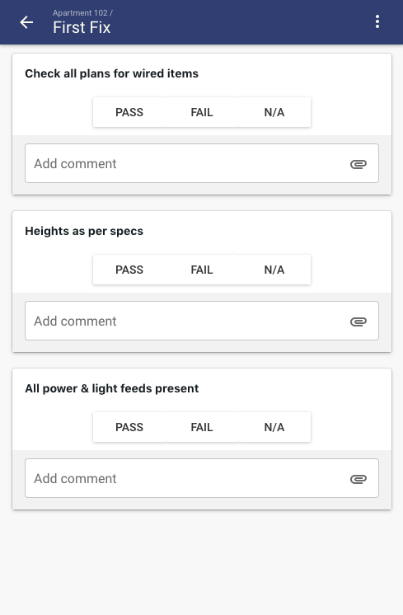
 | Checkpoint | Cable entries
 | Checkpoint | Terminations
 | Checkpoint | Pre Livening Tests

Switchboard Live QA | Checklist | QA Checklist
 | Checkpoint | Post Liven Tests
 | Checkpoint | Cover and panels secure
 | Checkpoint | Doors locked
 | Checkpoint | Schedules
 | Checkpoint | Clean and Tidy

Cable support QA | Checklist | QA Checklist
 | Checkpoint | Shop drawings approved
 | Checkpoint | Free from clashes
 | Checkpoint | Complted install from point A to B
 | Checkpoint | Seismic
 | Checkpoint | Completely fixed in place
 | Checkpoint | Safe to use

First fix QA | Checklist | QA Checklist
 | Checkpoint | Using most recent drawing revision
 | Checkpoint | Correct cable being installed
 | Checkpoint | Cable labelled adequatly
 | Checkpoint | Secured neatly and to standard

Second fix QA | Checklist | QA Checklist
 | Checkpoint | Item ready for second fix
 | Checkpoint | Correct outlet or fitting being used
 | Checkpoint | Installed as per specification
 | Checkpoint | Tight, level and secure
 | Checkpoint | Cover and label

Matrix
Your Matrix Breakdown | Please add your project's matrix requirements below |  | DEMO | This is an example of matrix information |  | HELP & GUIDE
Matrix Name | Content (Col) | Location (Row) | Matrix Name | Content (Col) | Location (Row) | Matrix | Matrix is a special chart we can build to help you track progress. Please tell us the Content and Locations you would like to see there.
 |  |  | Overall Progress | Pre Start | Level 1
 |  |  |  |  | Level 2
 |  |  |  | First Fix | Level 1 | Content (Column) | This is the information that sits along the top. This is checklist sections or checklist checkpoints. We are able to display data input in text boxes, and the status of overall sections (eg prestart)
 |  |  |  |  | Level 2
 |  |  |  | Handover | Level 1
 |  |  |  |  | Level 2
 |  |  |  |  |  | Location (Row) | Each row is a location where the checklist section or checkpoint sits. Each location could automatically display all locations inside.

 |  |  | Testing Matrix | Area tidy and accessible | Apartment 101
 |  |  |  |  | Apartment 102
 |  |  |  |  | Apartment 103 | Demo Example
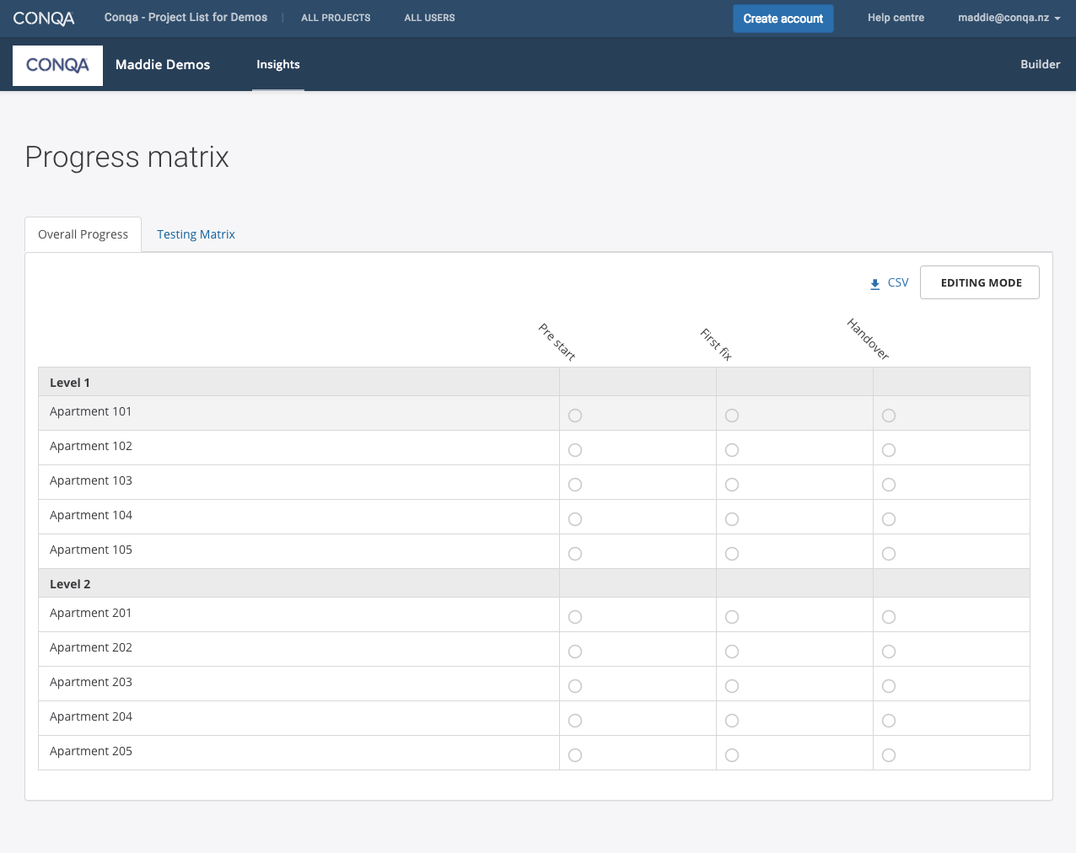
 |  |  |  |  | Apartment 104
 |  |  |  | Earth Resistance | Apartment 102
 |  |  |  |  | Apartment 103
 |  |  |  | Main Contractor Accepted | Apartment 101
 |  |  |  |  | Apartment 102
 |  |  |  |  | Apartment 103
 |  |  |  |  | Apartment 104

